DB_TESTING
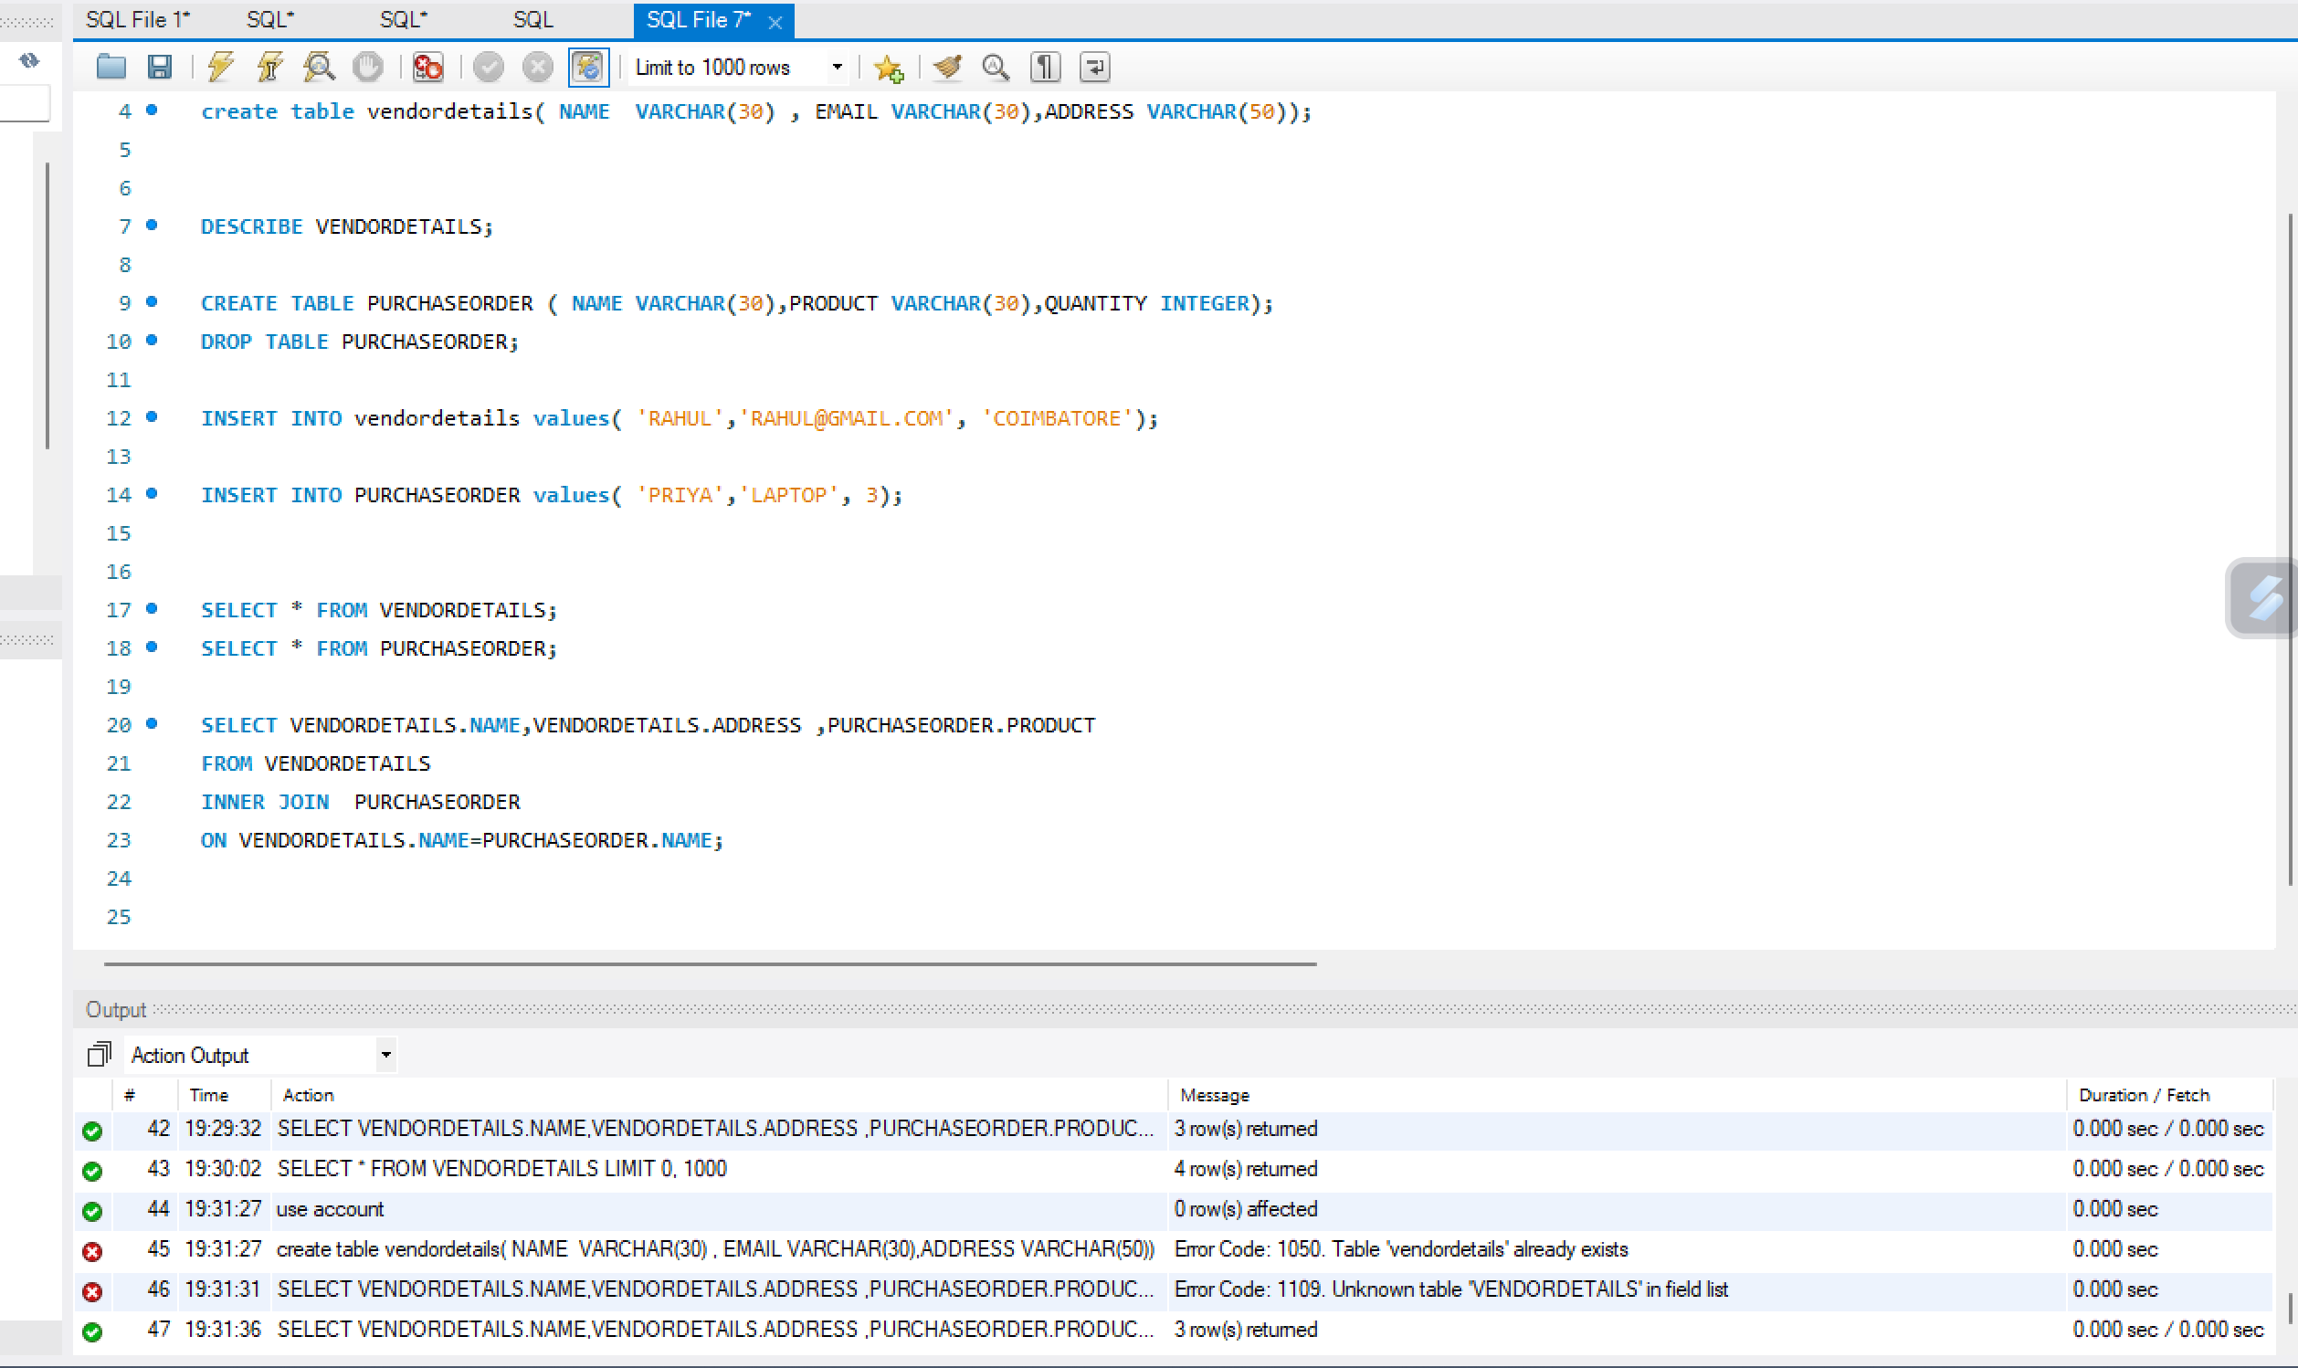
Project Name | Account project | Database Name: SQL | exec sp_help - To view the table details
Version No | V1 | Table Name: Applicant Information | DB name : SQL
Sprint NO | Sprint1 | Myprofile
Test Strategy | Database Testing
Test Scenario | Data Validity for New Member Creation

TestCase ID | Condition | DB Query | Expected Result
Project1_DB_NewMember_TC001 | Open SQL and check for the table "Applicant_Information " | Step1:use SQL Step2:exec sp_help Applicant_information; | Verify that the table "Applicant_Information " is available
Project1_DB_NewMember_TC002 | Open DB and check mapping for the table "Applicant_Information " | Step1:use SQL Step2:select * from Applicant_Information; | Verify that the table "Applicant_Information " is mapped correctly
Project1_DB_NewMember_TC003 | Open DB and check the fields in table "Applicant_Information" | Step1:use Learndb Step2:select * from Applicant_Information; | verify that the fields in table "Applicant_Information" is properly created
Project1_DB_NewMember_TC004 | Open DB and check for the data types in table "Applicant_Information" | Step1:use SQL Step2:exec sp_help Applicant_Information; | verify that the table "Applicant_Information" has correct datatypes respective to their fields or columns
Project1_DB_NewMember_TC005 | Open DB and check for the primary key in the table "Applicant_Information" | Step1:use Learndb Step2:exec sp_help Applicant_Information; | verify that the primary key is set for respective column in table "Applicant_Information"
Project1_DB_NewMember_TC006 | Open DB and insert data in table "Applicant_Information" | Step1:use Learndb Step2:insert into Applicant_Information values( 'val1', 'val2',….); | verify that the data is inserted properly in table "Applicant_Information"
Project1_DB_NewMember_TC007 | Open DB and retrieve data in table "Applicant_Information" | Step1:use Learndb Step2:select* from Applicant_Information; | verify that the data is retrieved from table "Applicant_Information"
Project1_DB_NewMember_TC008 | Open DB and check for the table "MyProfile" | Step1:use Learndb Step2:exec sp_help MyProfile; | Verify that the table "MyProfile" is available
Project1_DB_NewMember_TC009 | Open DB and check the fields in table "MyProfile" | Step1:use Learndb Step2:select * from MyProfile; | verify that the fields in table "MyProfile" is properly created
Project1_DB_NewMember_TC010 | Open DB and check for the foreign key in the table "MyProfile" | Step1:use Learndb Step2:exec sp_help MyProfile; | verify that the foreign key is set for respective column in table "MyProfile"
Project1_DB_NewMember_TC011 | Open DB and retrieve data in table "MyProfile" | Step1:use Learndb Step2:select* from MyProfile; | verify that the data is retrieved from table "MyProfile"
Project1_DB_NewMember_TC012 | Open DB and combine rows in the tables "MyProfile" and "Applicant_Information" based on a related column between them. | Step1:use Learndb Step2:SELECT * FROM Applicant_Information INNER JOIN MyProfile ON Applicant_Information .ApplicantName = MyProfile.AplicantName; | verify that inner join works between the tables "Applicant_Information" and "MyProfile"

